1. Title Page
[Instacart Grocery Basket Analysis]

Project Name: Instacart Grocery Basket Analysis
Date: 1/26/23
Analyst Name: Seanne Coates

Contents:
Population Flow
Consistency checks
Wrangling steps
Column derivations
Visualizations
Recommendations

Citation:
“The Instacart Online Grocery Shopping Dataset 2017”, Accessed from https://www.instacart.com/datasets/grocery-shopping-2017 on .

2. Population Flow
Title page

Population flow

Exclusion flag
Condition: max_order < 5 = low activity customer
Obervations to be removed: 1,440,295
Final total count of order_products_all: 30,964,564

Orders_products_combined
Orders_products_merged
Orders_products_all

Total: 32,404,859
Total: 32,434,489
Total: 32,404,859

1.) The grey boxes in the first row of the population flow represent the original data sets as they were when you downloaded them. In the Total fields you need to add the count of the rows when you imported the data set into Jupyter.
2.) The second row of boxes (coloured) represents the data sets after you manipulated them, e.g., removed missing values and duplicates. In the Total fields you need to add the count of the rows after conducting these operations. This offers a visual oveview of how the data flows throughout the data consistency checks.
3.) The third row, where also the arrows are coloured, represents the merges you performed between the datasets. In the Total fields you need to add the count of the rows in the merged datasets, so that you end up with the final dataset (in the red box). Keep in mind the final dataset should be without exclusions (based on the exclusion flag).

3. Consistency checks
 |  |  |  | Title page
Consistency checks

Dataset | Missing values | Missing values treatment | Duplicates
orders | 206,209 missing values in (days_since_prior_order column) | I decided to add a flag of 999 as a place holder for these values, as it still could be important to the analysis. This was also checked through a crosstab which confirmed the hypothesis that the reason these values were missing was because there can't be days before a first order. | N/A
products | 16 missing values in (product_name column) | Created a new dataframe without the missing values. | 5 duplicates were found, and then removed from the dataframe.
orders_products_prior | N/A | N/A | N/A
customers | N/A | N/A | N/A

4. Wrangling steps
 |  |  |  | Title page
Wrangling steps

Other Wrangling Steps:
Customers first and last names would be omitted as they could cause privacy concerns.
(For this project however, customers names were frabricated for the purpose of the project and practice)
But in the workplace it would be best to omit customers names to protext their privacy.
Columns dropped | Columns renamed | Columns' type changed | Comment/Reason
eval_set |  |  | This is about a prior date set, making it unncessary for our analysis
 | order_number to amount_of_orders_made |  | easier for others users to interepret meaning of column
 | order_dow to orders_day_of_weel |  | easier for others users to interepret meaning of column
 | orders_day_of_week to order_day_of_week |  | got rid of the extra (s) at the end of "orders" to make it easier to understand the meaning of the column
 |  | order_id | no need to calculate stastiics for ID's as they are keys so instead change type to string
 |  | user_id | no need to calculate statistics for ID's as they are keys so instead change type to string

5. Column derivations
 |  |  |  | Title page

Column derivations and aggregations

In this tab you should add tables below that the frequences of flags/label variables that you produced after deriving them. NB: don't do this for continuous variables, only for flags.
Dataset | New column | Column/s it was derived from | Conditions
orders_products_merged | price_range_loc | prices | If the value in the 'prices' column is greater than 15 then the value in the price_range_loc column will be 'High-range product'.
 |  |  | If the value is less than or equal to 15 & is greater than 5 than the value in the 'price_range_loc' column will be 'Mid-range product'.
 |  |  | If the value is less than or equal to 5 then tha value in the new column will be 'Low-range product'.
orders_products_merged | Loyalty_Flag | max_order | If the max order is greater than 40, than the 'Loyalty Flag' value will be 'Loyal customer'.
 |  |  | If the 'max_order' is less than or equal to 40 & is greater than 10), than the 'loyalty_flag' will be Regular customer'.
 |  |  | If the 'max_order' is less than or equal to 10, the 'loyalty_flag' value will be 'New customer'.
orders_products_merged_new_new | spending_flag | avg_price | If the 'avg_price' is less than 10, than the 'spending_flag' value is 'low_spender'.
 |  |  | If the 'avg_price' is greater than or equal to 10, than the 'spending_flag'] value is 'high_spender'.
orders_products_merged_new_new | frequency_flag | median_days_since_prior_order | If the 'median_days_since_prior_order' is greater than 20, than the 'frequency_flag' value is 'non_frequent_customer'.
 |  |  | If the 'median_days_since_prior_order' is greater than 10 & less than or equal to 20 than the 'frequency_flag' is 'regular_customer'.
 |  |  | If the 'median_days_since_prior_order' is less than or equal to 10, than the 'frequency_flag' value is 'frequent_customer'.
Instacart_merged_updated | Exclusion Flag | max_order | If the 'max_order' is less than 5, than the 'exclusion_flag' value will be 'Low activity customer'.
 |  |  | If the 'max_order' is greater than or equal to 5, than the 'exclusion_flag' value is 'Regular activity customer'.
regular_actitivity_sub | age_flag | Age | If the 'Age' is less than or equal to 30, than the 'age_flag' value is 'Young'.
 |  |  | If 'Age' is greater than 30 & is less than or equal to 55), than the 'age_flag' value is 'Middle Age'.
 |  |  | If the 'Age'is greater than or equal to 56, than the 'age_flag' value is 'Old'.
regular_actitivity_sub | income_flag | income | If the 'income' is less than 30000, than the 'income_flag' value is 'low income'.
 |  |  | If the 'income' is greater than or equal to 30000 & less than or equal to 100000 than the 'income_flag' value is 'middle income'.
 |  |  | If the 'income' is greater than 100000, than the 'income_flag' is 'high income'.
regular_actitivity_sub | dependant_flag | dependants | If 'dependants' is less than or equal to 0, than the 'dependant_flag' value is 'Small Household'.
 |  |  | If 'dependants' is greater than or equal to 1 & less than or equal to 2), than the 'dependant_flag' value is 'Middle Household'.
 |  |  | If 'dependants' is greater than or euqal to 3, than the 'dependant_flag' value is 'Large Household'.
regular_actitivity_sub | baby_flag | user_id, department_id, dependants | If the 'dependants' is greater than 0), than the 'baby_flag' value is 'Young Child'.
 |  |  | If the 'department_id' is equal to 18)& 'dependants' is greater than 0, than the 'baby_flag' value is 'Older Child'.
 |  |  | If 'dependants' euqal 0,than the 'baby_flag' value is 'No Child'.

6. Visualizations
 |  | Title page
All Visualisations from project and Some Key Questions (Please refer to 'recommendations' tab for all key questions and answers)

In this tab you should include all the visualtions from Exercises 4.9 and 4.10, alongside the questions from the project brief that they answer. Include any commentary on the relationship between different variables.

 | Business Question: The sales team needs to know what the busiest days of the week and hours of the day are (i.e., the days and times with the most orders) in order to schedule ads at times when there are fewer orders.
Histogram representing the frequency of the different product prices.


 | This histogram shows us that sales are highest between 10am and 4pm, which is midday. Sales start to drop after 4pm. It also shows us that sales are lowest in the early morning.



Business Question: What’s the distribution among users in regards to their brand loyalty (i.e., how often do they return to Instacart)?

This bar chart shows the distrubution among users in regard to their brand loyalty. There are more regular customers/users who return to instacart every now and again. There are a medium amount of loyal customers/users who are regulars at instacart and make many orders. While new customers make up the least amount of users. | This line chart shows the correlation between age and the number of dependants living in one household. This chart shows us that there is not much correlation.

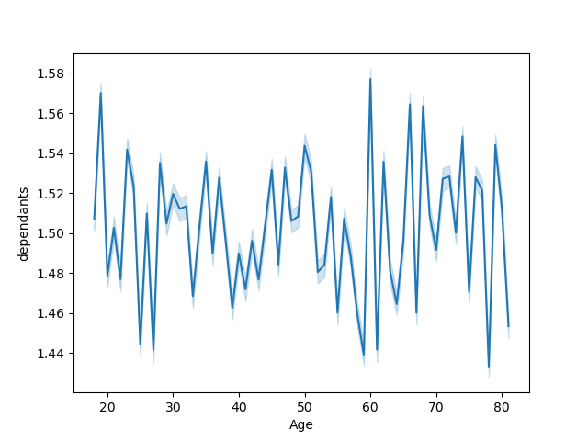



Business Question: They also want to know whether there are particular times of the day when people spend the most money, as this might inform the type of products they advertise at these times. | Business Question: Is there a connection between age and family status in terms of ordering habits?

 | This scatterplot shows the correlation and connection between age and income as it pertains to the instacart customers. Base off of this visualization there is no clear connection between the two.
This line chart shows the correlation between the order hour of the day and the price that the products are bought at. There is not much of a difference in customers spending throughout the day. There is a spike when instacart opens at the start of the day and a slight spike around 7pm/dinner time. Then it decreased after 7pm/dinner time.

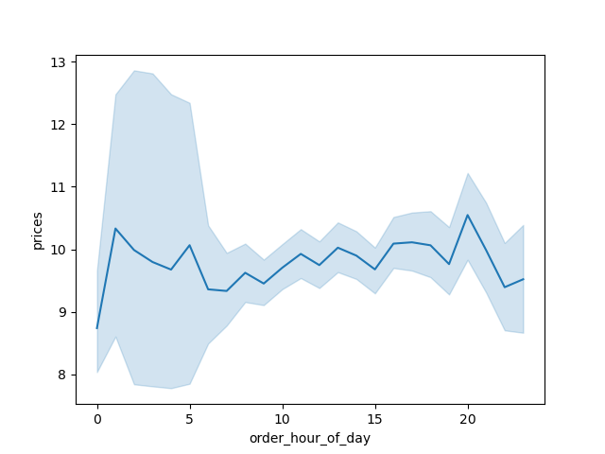
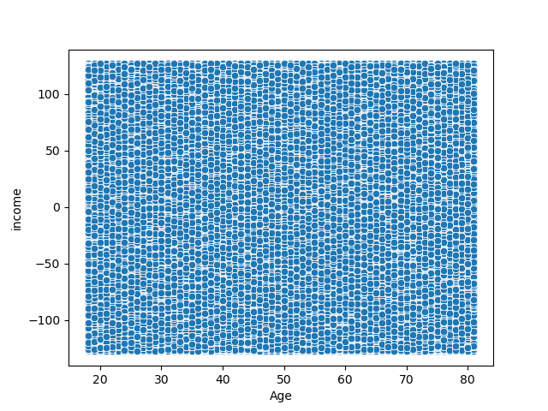

This chart shows the connection between region and age of customers. | This chart shows the connection between age of customers and the departments that they shopped from.
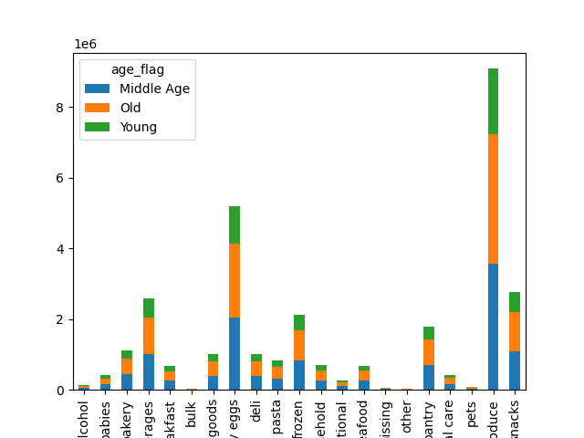
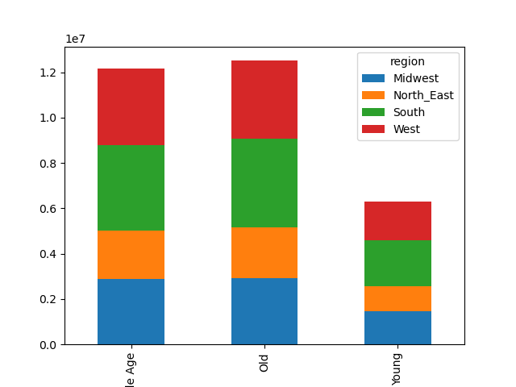

This chart shows the connection between departments that customers shopped at and the number of children in the household. | This chart shows the connection between region and the amount of children in the household.

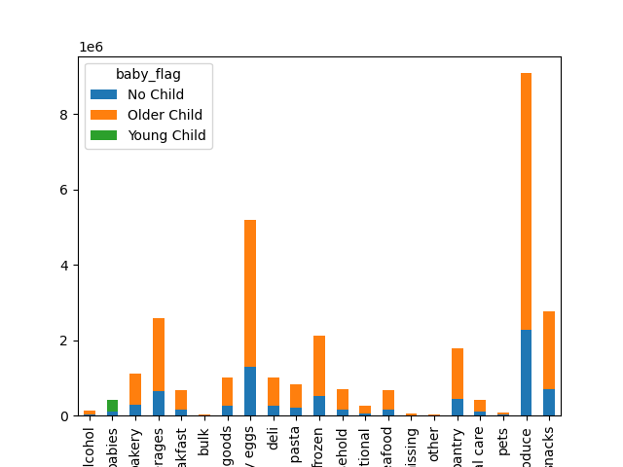
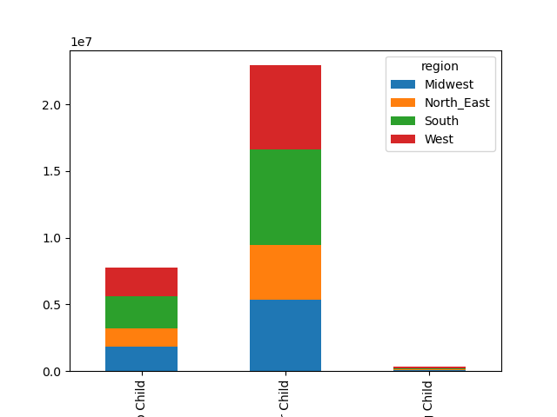

This chart shows the connection between the size of the household/amount of dependants and which departments that specific customer is shopping in. | This chart shows the connection between the region and size of the household/amount of dependants.

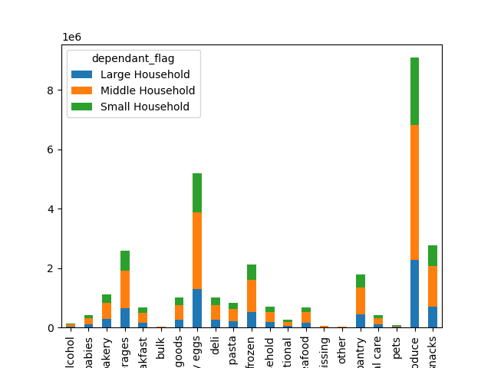
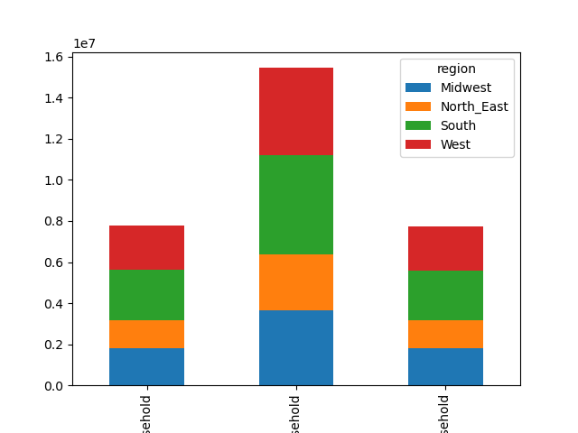

This chart shows the connection between income and which departments customers are shopping at. | This chart shows the conection between region and income.

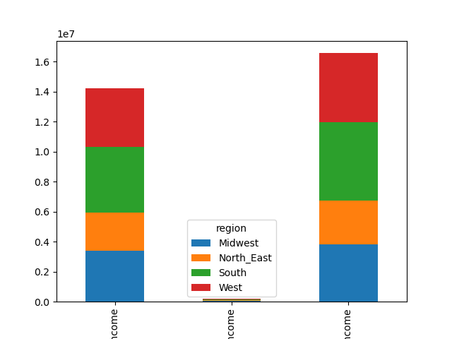
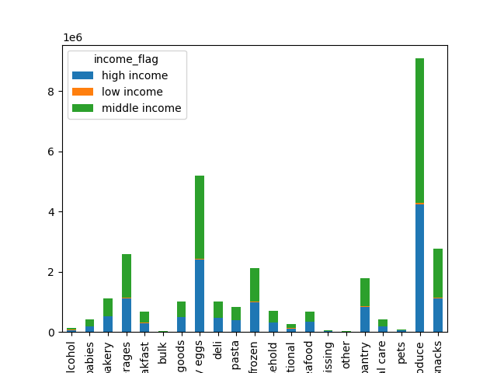

Business Question: Are there certain types of products that are more popular than others? The marketing and sales teams want to know which departments have the highest frequency of product orders.

Based off of the four bar graphs that showcase connections involving the department variable with different profile variables we can answer this question. We can see in each of these that the department where products are bought the most are "produce" and "dairy eggs".

Business Question: Are there differences in ordering habits based on a customer’s region?

The data shows that people in the south region are buying more as a whole, followed by the midwest and west regions. The northeast region making up the least amount of overall sales. However this might also be due to the fact that the southern region includes the most states. Because of this there are more people in that area to buy instacart products.

Business Question: What different classifications does the demographic information suggest? Age? Income? Certain types of goods? Family status?

The demographic information suggsts classifications of age, income, amount of members in a household, and age of children in the household.

Business Question: What differences can you find in ordering habits of different customer profiles? Consider the price of orders, the frequency of orders, the products customers are ordering, and anything else you can think of.

Customers are buying the same products across the board, mainly produce and dairy eggs, regardless of their demographic. Those who make up the majority in sales of instacart customers of course are buying more. This includes those from middle income households, middle age people, and medium sized households, and those with older children.

7. Recommendations
 |  |  |  | Title page
All Key Questions with Visualizations and Recommendations

In this tab you should include any recommendations you would made to Instcart in terms of their marketing strategy based on the questions posed in the brief. Every key question has been covered in the Tasks of the Exercises - here you need to add an item - a visualisation or table/crosstable that is showing the answer in the data, acompanied by a comment from you. Please, list the questions below and add the answer underneath.

Question
Key Question 1
The sales team needs to know what the busiest days of the week and hours of the day are (i.e., the days and times with the most orders) in order to schedule ads at times when there are fewer orders.

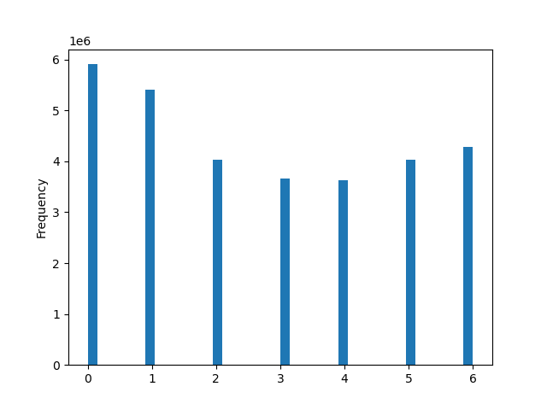
Answer:
Frequency of sales based on time of day
Frequency of sales based on day of week

Based off of the data and our first graph sales are shown to be highest between 10am and 4pm, which is midday. Sales start to drop after 4pm. It also shows us that sales are lowest in the early morning. Sales are also shown to be highest on Saturday and Sunday.

Key Question 2
They also want to know whether there are particular times of the day when people spend the most money, as this might inform the type of products they advertise at these times.

Frequency of sales based on time of day
Answers:
 |  | This histogram shows us that sales are highest between 10am and 4pm, which is midday. Sales start to drop after 4pm. It also shows us that sales are lowest in the early morning.

Key Question 3
Instacart has a lot of products with different price tags. Marketing and sales want to use simpler price range groupings to help direct their efforts.

Answer:
Frequency of sales based on sales price
 | This visualization shows us that most product prices are between $1 and $15. The prices do not go beyond $25. SO marketing and sales could use price range groups arranged in groups 5 to simplify their price ranges.

Key Question 4
Are there certain types of products that are more popular than others? The marketing and sales teams want to know which departments have the highest frequency of product orders.

Answer:
Sales based on age and department

 | Based on the data we can see that the department where products are bought the most are "produce" and "dairy eggs".

Key Question 5 (and sub questions)
The marketing and sales teams are particularly interested in the different types of customers in their system and how their ordering behaviors differ.

Answer:
Sales based on region and age
Sales based on age and department
Sales based on brand loyalty

 |  |  |  |  | Based on the data we can see that the department where products are bought the most are "produce" and "dairy eggs".

Business sub question 1 : Are there differences in ordering habits based on a customer’s region?
 |  |  | Business sub question 2: What’s the distribution among users in regards to their brand loyalty (i.e., how often do they return to Instacart)?
The data shows that people in the south region are buying more as a whole, followed by the midwest and west regions. The northeast region making up the least amount of overall sales. However this might also be due to the fact that the southern region includes the most states. Because of this there are more people in that area to buy instacart products.

 |  |  | This bar chart shows the distrubution among users in regard to their brand loyalty. There are more regular customers/users who return to instacart every now and again. There are a medium amount of loyal customers/users who are regulars at instacart and make many orders. While new customers make up the least amount of users.

Business sub question 3: What different classifications does the demographic information suggest? Age? Income? Certain types of goods? Family status?

The demographic information suggsts classifications of age, income, amount of members in a household, and age of children in the household.

Business sub question 4: What differences can you find in ordering habits of different customer profiles? Consider the price of orders, the frequency of orders, the products customers are ordering, and anything else you can think of.

Customers are buying the same products across the board, mainly produce and dairy eggs, regardless of their demographic. Those who make up the majority in sales of instacart customers of course are buying more. This includes those from middle income households, middle age people, and medium sized households, and those with older children.

Recommendations/Suggestions:
Instacart may want to focus on the southern region more, as that is where most of their customers are living. They may also want to push more dairy and prduce products as that is their money maker. However it might also be a good idea to market more of their other products as to get more revenue from these lesser sold items. Instacart may also want to focus more of their ads and marketing on saturday and sunday during the midday when sales are highest.

